Sheet1
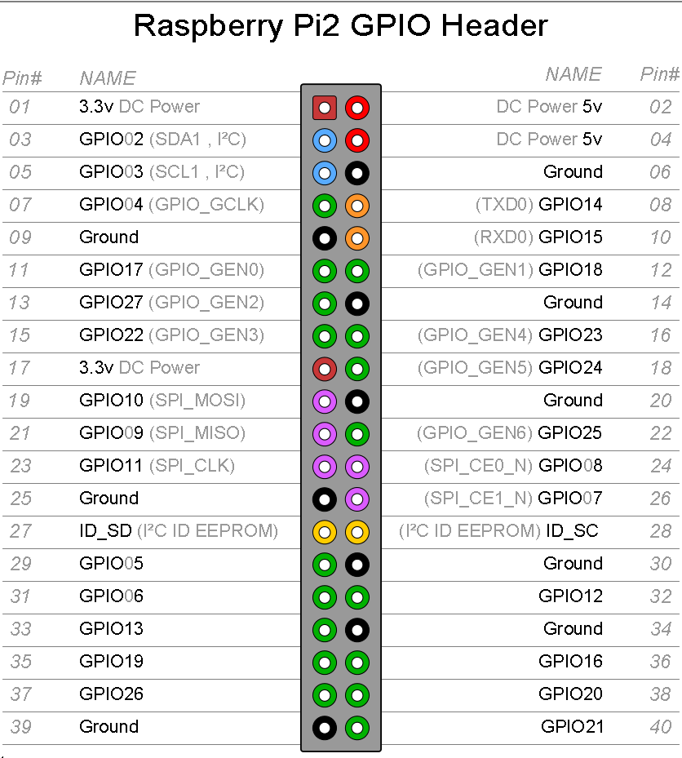
Column1
 | Vcc Pin 1 CC3D
 | To Board Vcc
 | Gnd Pin 2 CC3D
To Board Ground | GPS Rx
HC-SR04 Echo 1 (N) | GPS Tx
HC-SR04 Echo 2 (S)
HC-SR04 Echo 3 (E )
 | HC-SR04 Common Trigger

 | HC-SR04 Echo 4 (W)
 | HC-SR04 Echo 5 (Up)
 | HC-SR04 Echo 6 (Down)

CC3D In 4 (Pitch)
CC3D In 5(Roll) | CC3D In 3 (Throttle)
CC3D In 6 (Yaw)
CC3D In 7 (Mode)

